STORE
2022 HOL Wal-Mart S#NB42100078020 (NB CROP TANK)
Fine line | 9197
Country | U.S.A
Retail | 6.98 |  |  |  |  |  |  |  |  |  |  |  | 2022-07-08
Duty | NONE
Category | 339 |  |  |  |  |  |  |  |  |  |  |  | 1
NB42100078020 (FL#9197) | FABRIC | COLOR NAME | PACK | S# | FOB | STORE COST | SIZE | Delivery |  |  | Start date |  | 7/8/22 | TOTAL Q'TY
 |  |  |  |  |  |  |  |  |  |  | Cancel date |  | 7/15/22
 |  |  |  |  |  |  |  | TYPE |  |  |  |  | INITIAL SET
 |  |  |  |  |  |  |  | PO# |  |  |  |  | 1
 |  |  |  |  |  |  |  | DES |  |  |  |  | ELWOOD FLOW
 |  |  |  |  |  |  |  | IN. Store |  |  |  |  | 2022-10-17
 |  |  |  |  |  |  |  | MAAP |  |  |  |  | 2022-09-09
 |  |  |  |  |  |  |  | PACK |  |  |  |  | AST1
 |  |  |  |  |  |  |  | REMARK |  |  |  |  | HANGING
 |  |  |  |  |  |  |  | AST1 | AST2 | AST3 | AST4 | AST5 |  |  | AMOUNT
NB CROP TANK | 55% BCI COTTON 37% POLYESTER 8% SPANDEX | BLACK SOOT | AST1 | NB42100078020 | 2.1193 | 2.68 | XS | 1 |  |  |  |  | 876 | 876 | 1856.51
S3 NOTCH NECK과 달리
WHITE 200GSM 진행예정
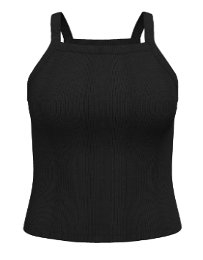
 | 2X2RIB 200GSM |  |  |  |  |  | S | 2 |  |  |  |  | 1,752 | 1,752 | 3713.01
 |  |  |  |  |  |  | M | 3 |  |  |  |  | 2,628 | 2,628 | 5569.52
ERP# : NB42100078020 | FACTORY: S&H VNIA |  |  |  |  |  | L | 3 |  |  |  |  | 2,628 | 2,628 | 5569.52
 |  |  |  |  |  |  | XL | 2 |  |  |  |  | 1,752 | 1,752 | 3713.01
 |  |  |  |  |  |  | XXL | 1 |  |  |  |  | 876 | 876 | 1856.51
 | < HANGING PACK > |  |  |  |  |  | XXXL | 1 |  |  |  |  | 876 | 876 | 1856.51
SQ# : 17448486 | FOB/ NET FOB / SC |  |  |  |  |  |  | 13 |  |  |  |  | 11,388 | 11,388 | 24,135 | 30.67%
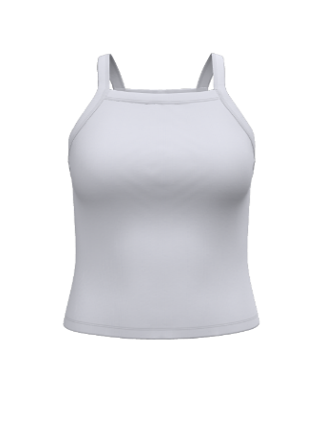
 | NB42100078020 SOLID): 2.13/2.1193/2.68 | VIVID WHITE | AST1 | NB42100078020 | 2.1193 | 2.68 | XS | 1 |  |  |  |  | 876 | 876 | 1856.51
 |  |  |  |  |  |  | S | 2 |  |  |  |  | 1,752 | 1,752 | 3713.01
 | RETAIL : $6.98 |  |  |  |  |  | M | 3 |  |  |  |  | 2,628 | 2,628 | 5569.52
 |  |  |  |  |  |  | L | 3 |  |  |  |  | 2,628 | 2,628 | 5569.52
 |  |  |  |  |  |  | XL | 2 |  |  |  |  | 1,752 | 1,752 | 3713.01
 |  |  |  |  |  |  | XXL | 1 |  |  |  |  | 876 | 876 | 1856.51
 |  |  |  |  |  |  | XXXL | 1 |  |  |  |  | 876 | 876 | 1856.51
 |  |  |  |  |  |  |  | 13 |  |  |  |  | 11,388 | 11,388 | 24,135 | 30.67%
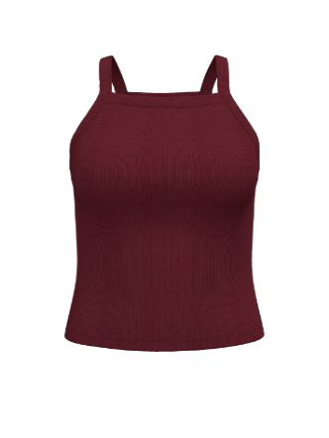
 |  | RICH RED | AST1 | NB42100078020 | 2.1193 | 2.68 | XS | 1 |  |  |  |  | 552 | 552 | 1169.85
 |  |  |  |  |  |  | S | 2 |  |  |  |  | 1,104 | 1,104 | 2339.71
 |  |  |  |  |  |  | M | 3 |  |  |  |  | 1,656 | 1,656 | 3509.56
 |  |  |  |  |  |  | L | 3 |  |  |  |  | 1,656 | 1,656 | 3509.56
 |  |  |  |  |  |  | XL | 2 |  |  |  |  | 1,104 | 1,104 | 2339.71
 |  |  |  |  |  |  | XXL | 1 |  |  |  |  | 552 | 552 | 1169.85
 |  |  |  |  |  |  | XXXL | 1 |  |  |  |  | 552 | 552 | 1169.85
 |  |  |  |  |  |  |  | 13 |  |  |  |  | 7,176 | 7,176 | 15,208 | 19.33%
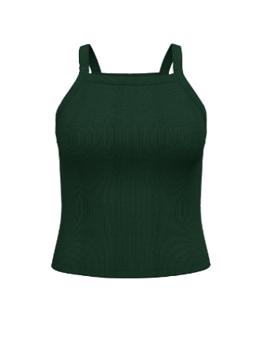
 |  | HUNTER LODGE | AST1 | NB42100078020 | 2.1193 | 2.68 | XS | 1 |  |  |  |  | 552 | 552 | 1169.85
 |  |  |  |  |  |  | S | 2 |  |  |  |  | 1,104 | 1,104 | 2339.71
 |  |  |  |  |  |  | M | 3 |  |  |  |  | 1,656 | 1,656 | 3509.56
 |  |  |  |  |  |  | L | 3 |  |  |  |  | 1,656 | 1,656 | 3509.56
 |  |  |  |  |  |  | XL | 2 |  |  |  |  | 1,104 | 1,104 | 2339.71
 |  |  |  |  |  |  | XXL | 1 |  |  |  |  | 552 | 552 | 1169.85
 |  |  |  |  |  |  | XXXL | 1 |  |  |  |  | 552 | 552 | 1169.85
 |  |  |  |  |  |  |  | 13 |  |  |  |  | 7,176 | 7,176 | 15,208 | 19.33%
 |  |  |  |  |  |  |  | TOTAL |  |  |  |  | 37,128 | 37,128 | 78,685.37
 |  |  |  |  |  |  |  | Total Amount |  |  |  |  |  | 78,685
3/11 TENTATIVE ADS |  |  |  |  |  |  |  | Carton |  |  |  |  |  | 2,856
 |  |  |  | NET FOB | 2.11935

